Sheet1
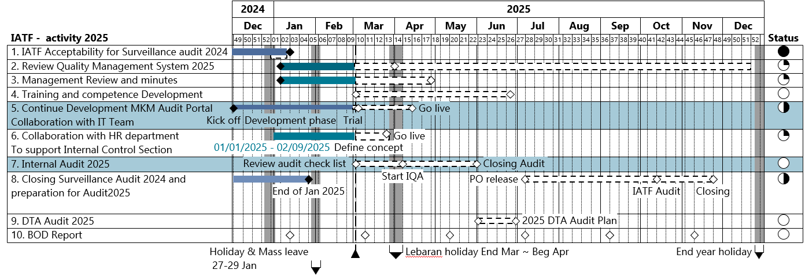
 |  |  |  |  |  |  |  |  |  |  |  |  |  |  |  |  |  |  |  |  |  |  |  |  |  |  |  |  |  |  |  |  |  |  |  |  |  |  |  |  |  |  |  |  |  |  |  |  |  |  |  |  |  |  |  |  |  | 2024 | 2025
 |  |  |  |  |  |  |  |  |  |  |  |  |  |  |  |  |  |  |  |  |  |  |  |  |  |  |  |  |  |  |  |  |  |  |  |  |  |  |  |  |  |  |  |  |  |  |  |  |  |  |  |  |  |  |  |  |  | Dec | Jan | Feb | Mar | Apr | May | Jun | Jul | Aug | Sep | Oct | Nov | Dec

IATF - Activity 2025 | 49 | 50 | 51 | 52 | 01 | 02 | 03 | 04 | 05 | 06 | 07 | 08 | 09 | 10 | 11 | 12 | 13 | 14 | 15 | 16 | 17 | 18 | 19 | 20 | 21 | 22 | 23 | 24 | 25 | 26 | 27 | 28 | 29 | 30 | 31 | 32 | 33 | 34 | 35 | 36 | 37 | 38 | 39 | 40 | 41 | 42 | 43 | 44 | 45 | 46 | 47 | 48 | 49 | 50 | 51 | 52 | Status
1. IATF Acceptability for surveillance audit 2024 |  |  |  |  |  |  |  |  |  |  |  |  |  |  |  |  |  |  |  |  |  |  |  |  |  |  |  |  |  |  |  |  |  |  |  |  |  |  |  |  |  |  |  |  |  |  |  |  |  |  |  |  |  |  |  |  | 100
2. Review Quality Management System 2025 |  |  |  |  |  |  |  |  |  |  |  |  |  |  |  |  |  |  |  |  |  |  |  |  |  |  |  |  |  |  |  |  |  |  |  |  |  |  |  |  |  |  |  |  |  |  |  |  |  |  |  |  |  |  |  |  | 25
3. Management Review & Minutes |  |  |  |  |  |  |  |  |  |  |  |  |  |  |  |  |  |  |  |  |  |  |  |  |  |  |  |  |  |  |  |  |  |  |  |  |  |  |  |  |  |  |  |  |  |  |  |  |  |  |  |  |  |  |  |  | 100
Registration New Consultant
4. Training and Competence Development |  |  |  |  |  |  |  |  |  |  |  |  |  |  |  |  |  |  |  |  |  |  |  |  |  |  |  |  |  |  |  |  |  |  |  |  |  |  |  |  |  |  |  |  |  |  |  |  |  |  |  |  |  |  |  |  | 50
Go Live
5. Continue Development MKM Audit Protal Collaboration With IT Team |  |  |  |  |  |  |  |  |  |  |  |  |  |  |  |  |  |  |  |  |  |  |  |  |  |  |  |  |  |  |  |  |  |  |  |  |  |  |  |  |  |  |  |  |  |  |  |  |  |  |  |  |  |  |  |  | 100
01/01/2025 - 02/09/2025 Define Concept
Go Live
6. Collaboration With HR Department To Support Internal Control Section |  |  |  |  |  |  |  |  |  |  |  |  |  |  |  |  |  |  |  |  |  |  |  |  |  |  |  |  |  |  |  |  |  |  |  |  |  |  |  |  |  |  |  |  |  |  |  |  |  |  |  |  |  |  |  |  | 100
Review Audit Checklist
Start IQA
Closing Audit
7. Internal Audit 2025 |  |  |  |  |  |  |  |  |  |  |  |  |  |  |  |  |  |  |  |  |  |  |  |  |  |  |  |  |  |  |  |  |  |  |  |  |  |  |  |  |  |  |  |  |  |  |  |  |  |  |  |  |  |  |  |  | 50
End of Jan 25
PO Release
IATF Audit
Closing
8. Closing Surveillence Audit 2024 and preparation for audit 2025 |  |  |  |  |  |  |  |  |  |  |  |  |  |  |  |  |  |  |  |  |  |  |  |  |  |  |  |  |  |  |  |  |  |  |  |  |  |  |  |  |  |  |  |  |  |  |  |  |  |  |  |  |  |  |  |  | 0
9. DTA Audit 2025 |  |  |  |  |  |  |  |  |  |  |  |  |  |  |  |  |  |  |  |  |  |  |  |  |  |  |  |  |  |  |  |  |  |  |  |  |  |  |  |  |  |  |  |  |  |  |  |  |  |  |  |  |  |  |  |  | 0
10. BOD Report |  |  |  |  |  |  |  |  |  |  |  |  |  |  |  |  |  |  |  |  |  |  |  |  |  |  |  |  |  |  |  |  |  |  |  |  |  |  |  |  |  |  |  |  |  |  |  |  |  |  |  |  |  |  |  |  | 25
Holiday & Mass Leave
27 - 29 Jan
Lebaran holiday End Mar ~ Beg Apr
End year holiday

